Content for webpage
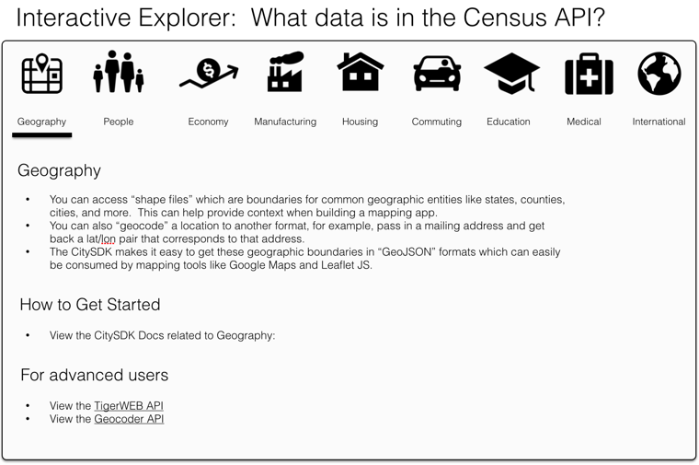
Feedback requested:
(see the mock-up shown to the right, which demonstrates how it will look on the webpage)
(1) Please fill in 1-3 bullets for each "theme", getting started, and more resources for type of data
(2) This ugly-formatted text file will be used to programatically populate the webpage, so please keep formatting the same as shown below

type | description1 | description2 | description3 | gettingstarted | moreresources1 | moreresources2 | moreresources3
CitySDK | The CitySDK takes the vast amount of Census data, and focuses on making the most commonly used datasets as easy to use as possible for software developers using Javascript. | If you are using Geographies, and data from the American Community Survery (i.e. People, Economy, Housing) than the CitySDK is a good place to start. | If you want direct access to the APIs, or are using tools other than Javascript, you can still use the Census API directly instead of the CitySDK. | View the CitySDK Getting Started Guide
Geography | You can access shape files, which are boundaries for common geographic entities like states, counties, cities, and more. This can help provide context when building a mapping app. | You can also geocode a location to another format, for example, pass in a mailing address and get back a lat/lon pair that corresponds to that address. | The CitySDK makes it easy to get these geographic boundaries in GeoJSON formats which can easily be consumed by mapping tools like Google Maps and Leaflet JS. | View the CitySDK Docs related to Geography: | View the TigerWeb API | View the Geocoder API
People
Economy
Manufacturing
Housing
Commuting
Education
Medical
International

